p1.25
Indoor-P1.25
LED
LED assembly type | 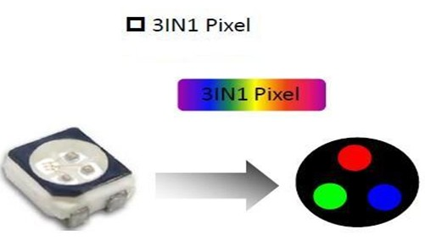 |  | RGB black led

 |  |  | Brand | Optional

LED | Chip | Wavelength | Wavelength Range
R | Epistar | 625±5.0nm | IV:180-350mcd
G | Silan | 525±2.5nm | IV:100-800mcd
B | Silan | 470±2.5nm | IV:300-700mcd
Led Encapsulation | SMD 1010
Wavelength Difference | < 5nm
Main Features of indoor Screen
Best View distance | Brightness | Lifespan | Warranty | Protection level
>1m | >1200nits | >100,000hours | 3 years | IP43
Module
 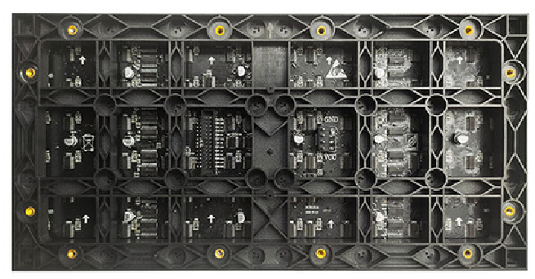
Dot Pitch(mm) | 1.25mm
Module Size(W×H) | 320mmX160mm
Pixel Configuration | 1R1G1B
Module Resolution(W×H) | 256 dots × 128dots
Module pixels | 32,768 dots
Scan | 64 Scan
Cabinet
Included | 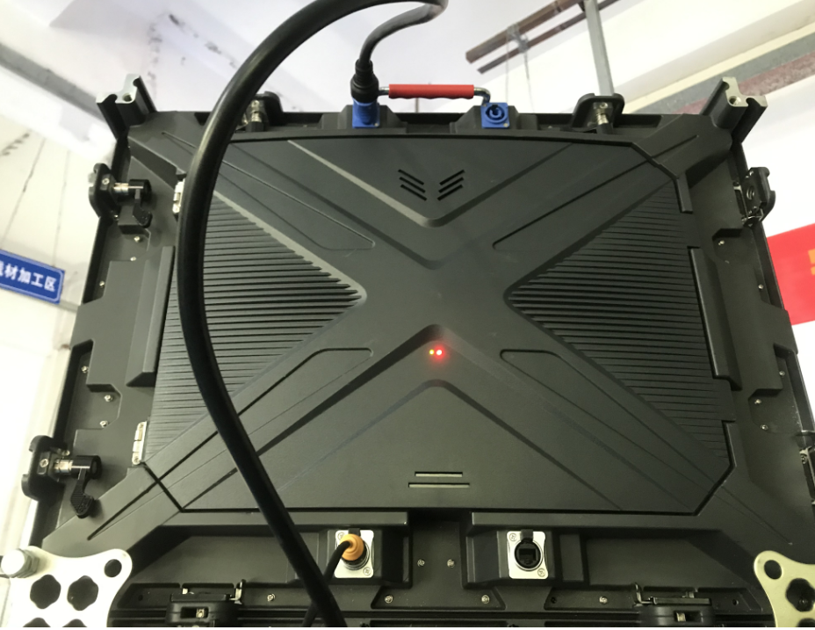 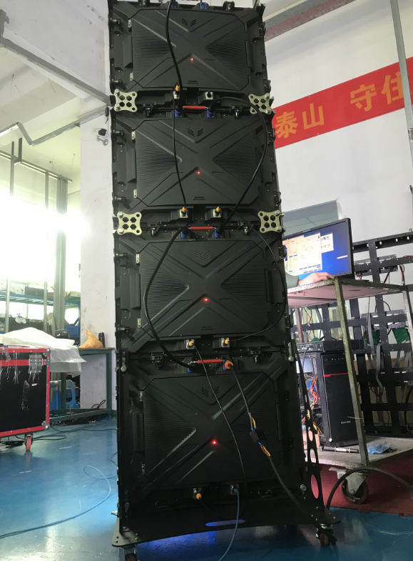 1. Power Modules
 | 2. Drive
 | 3. External Power cables & connectors
 | 4. Mounting/locking plates between cabinets
 | 5. Inter-connecting cables & ribbons (both power and signal)
Input | AC220V/110V
Viewing angle | 140°/140°
Protective Grade | IP43
Average Power consumption | 250 Watt/m²
Max Power consumption | 650 Watt/m²
Best View distance | >1M
Weight(kg/pc） | 15kg/m2
Material | Aluminium alloy

P1.875
Indoor-P1.875
LED
LED assembly type |  |  | RGB black led

 |  |  | Brand | Optional

LED | Chip | Wavelength | Wavelength Range
R | Epistar | 625±5.0nm | IV:180-350mcd
G | Silan | 525±2.5nm | IV:100-800mcd
B | Silan | 470±2.5nm | IV:300-700mcd
Led Encapsulation | SMD 1415
Wavelength Difference | < 5nm
Main Features of indoor Screen
Best View distance | Brightness | Lifespan | Warranty | Protection level
>2m | >1200nits | >100,000hours | 3 years | IP43
Module
 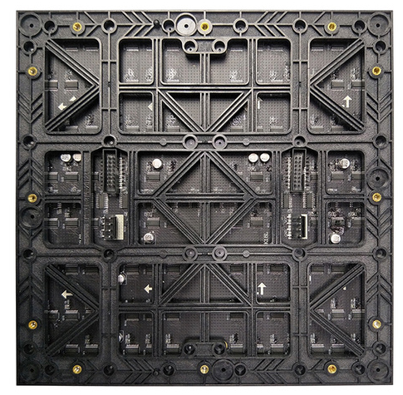
Dot Pitch(mm) | 1.875mm
Module Size(W×H) | 240mmX240mm
Pixel Configuration | 1R1G1B
Module Resolution(W×H) | 128 dots × 128dots
Module pixels | 16,384 dots
Scan | 32 Scan
Cabinet
Included | 1. Power Modules
 | 2. Drive
 | 3. External Power cables & connectors
 | 4. Mounting/locking plates between cabinets
 | 5. Inter-connecting cables & ribbons (both power and signal)
Input | AC220V/110V
Viewing angle | 140°/140°
Protective Grade | IP43
Average Power consumption | 250 Watt/m²
Max Power consumption | 650 Watt/m²
Best View distance | >2M
Weight(kg/pc） | 15kg/m2
Material | Aluminium alloy

P2
Indoor-P2
LED
LED assembly type |  |  | RGB black led

 |  |  | Brand | Optional

LED | Chip | Wavelength | Wavelength Range
R | Epistar | 625±5.0nm | IV:180-350mcd
G | Silan | 525±2.5nm | IV:100-800mcd
B | Silan | 470±2.5nm | IV:300-700mcd
Led Encapsulation | SMD 1415
Wavelength Difference | < 5nm
Main Features of indoor Screen
Best View distance | Brightness | Lifespan | Warranty | Protection level
>2m | >1200nits | >100,000hours | 3 years | IP43
Module
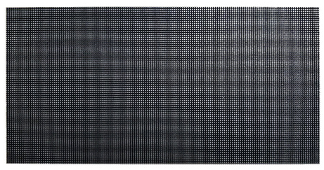 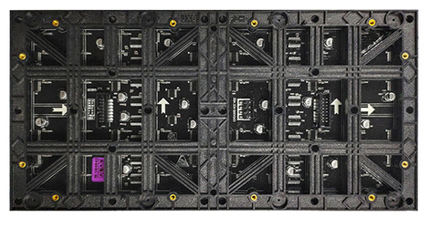
Dot Pitch(mm) | 2mm
Module Size(W×H) | 320mmX160mm
Pixel Configuration | 1R1G1B
Module Resolution(W×H) | 160 dots × 80dots
Module pixels | 12,800 dots
Scan | 40 Scan
Cabinet
Included | 1. Power Modules
 | 2. Drive
 | 3. External Power cables & connectors
 | 4. Mounting/locking plates between cabinets
 | 5. Inter-connecting cables & ribbons (both power and signal)
Input | AC220V/110V
Viewing angle | 140°/140°
Protective Grade | IP43
Average Power consumption | 250 Watt/m²
Max Power consumption | 650 Watt/m²
Best View distance | >2M
Weight(kg/pc） | 15kg/m2
Material | Aluminium alloy

P3
Indoor-P3
LED
LED assembly type |  |  | RGB black led

 |  |  | Brand | Optional

LED | Chip | Wavelength | Wavelength Range
R | Epistar | 625±5.0nm | IV:180-350mcd
G | Silan | 525±2.5nm | IV:100-800mcd
B | Silan | 470±2.5nm | IV:300-700mcd
Led Encapsulation | SMD 2020
Wavelength Difference | < 5nm
Main Features of indoor Screen
Best View distance | Brightness | Lifespan | Warranty | Protection level
>3m | >1200nits | >100,000hours | 3 years | IP43
Module
 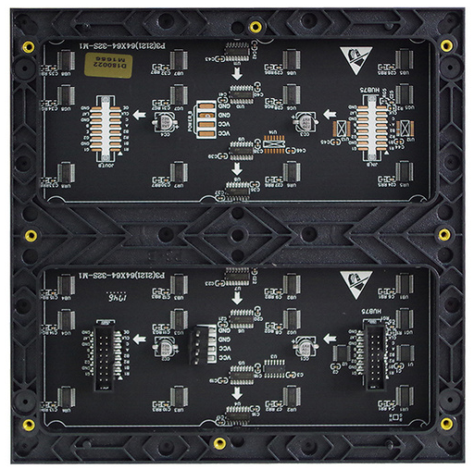
Dot Pitch(mm) | 3mm
Module Size(W×H) | 192mmX192mm
Pixel Configuration | 1R1G1B
Module Resolution(W×H) | 64 dots ×64dots
Module pixels | 4,096 dots
Scan | 64 Scan
Cabinet
Included | 1. Power Modules
 | 2. Drive
 | 3. External Power cables & connectors
 | 4. Mounting/locking plates between cabinets
 | 5. Inter-connecting cables & ribbons (both power and signal)
Input | AC220V/110V
Viewing angle | 140°/140°
Protective Grade | IP43
Average Power consumption | 250 Watt/m²
Max Power consumption | 650 Watt/m²
Best View distance | >3M
Weight(kg/pc） | 15kg/m2
Material | Aluminium alloy

P4
Indoor-P4
LED
LED assembly type |  |  | RGB black led

 |  |  | Brand | Optional

LED | Chip | Wavelength | Wavelength Range
R | Epistar | 625±5.0nm | IV:180-350mcd
G | Silan | 525±2.5nm | IV:100-800mcd
B | Silan | 470±2.5nm | IV:300-700mcd
Led Encapsulation | SMD 2020
Wavelength Difference | < 5nm
Main Features of indoor Screen
Best View distance | Brightness | Lifespan | Warranty | Protection level
>4m | >1200nits | >100,000hours | 3 years | IP43
Module
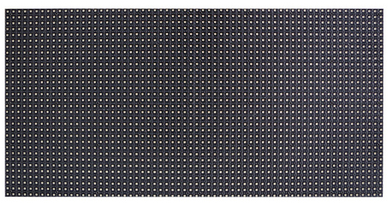 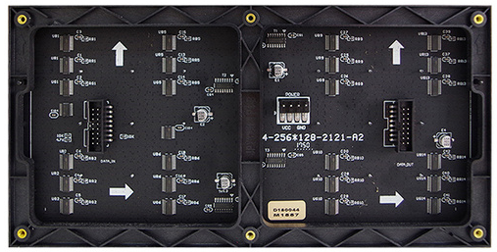
Dot Pitch(mm) | 4mm
Module Size(W×H) | 320mmX160mm
Pixel Configuration | 1R1G1B
Module Resolution(W×H) | 80 dots ×40dots
Module pixels | 3,200 dots
Scan | 20 Scan
Cabinet
Included | 1. Power Modules
 | 2. Drive
 | 3. External Power cables & connectors
 | 4. Mounting/locking plates between cabinets
 | 5. Inter-connecting cables & ribbons (both power and signal)
Input | AC220V/110V
Viewing angle | 140°/140°
Protective Grade | IP43
Average Power consumption | 250 Watt/m²
Max Power consumption | 650 Watt/m²
Best View distance | >4M
Weight(kg/pc） | 15kg/m2
Material | Aluminium alloy

P5
Indoor-P5
LED
LED assembly type |  |  | RGB black led

 |  |  | Brand | Optional

LED | Chip | Wavelength | Wavelength Range
R | Epistar | 625±5.0nm | IV:180-350mcd
G | Silan | 525±2.5nm | IV:100-800mcd
B | Silan | 470±2.5nm | IV:300-700mcd
Led Encapsulation | SMD 2020
Wavelength Difference | < 5nm
Main Features of indoor Screen
Best View distance | Brightness | Lifespan | Warranty | Protection level
>5m | >1200nits | >100,000hours | 3 years | IP43
Module
 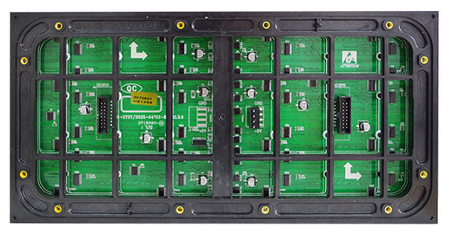
Dot Pitch(mm) | 5mm
Module Size(W×H) | 320mmX160mm
Pixel Configuration | 1R1G1B
Module Resolution(W×H) | 64 dots ×32dots
Module pixels | 2,048 dots
Scan | 16 Scan
Cabinet
Included | 1. Power Modules
 | 2. Drive
 | 3. External Power cables & connectors
 | 4. Mounting/locking plates between cabinets
 | 5. Inter-connecting cables & ribbons (both power and signal)
Input | AC220V/110V
Viewing angle | 140°/140°
Protective Grade | IP43
Average Power consumption | 250 Watt/m²
Max Power consumption | 650 Watt/m²
Best View distance | >5M
Weight(kg/pc） | 15kg/m2
Material | Aluminium alloy

